TestSummary
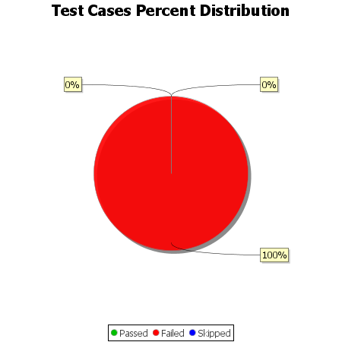
Total Test Cases | 8
Test Cases Passed | 0
Test Cases Failed | 8
Test Cases Skipped | 0

